CMN-ISSUES
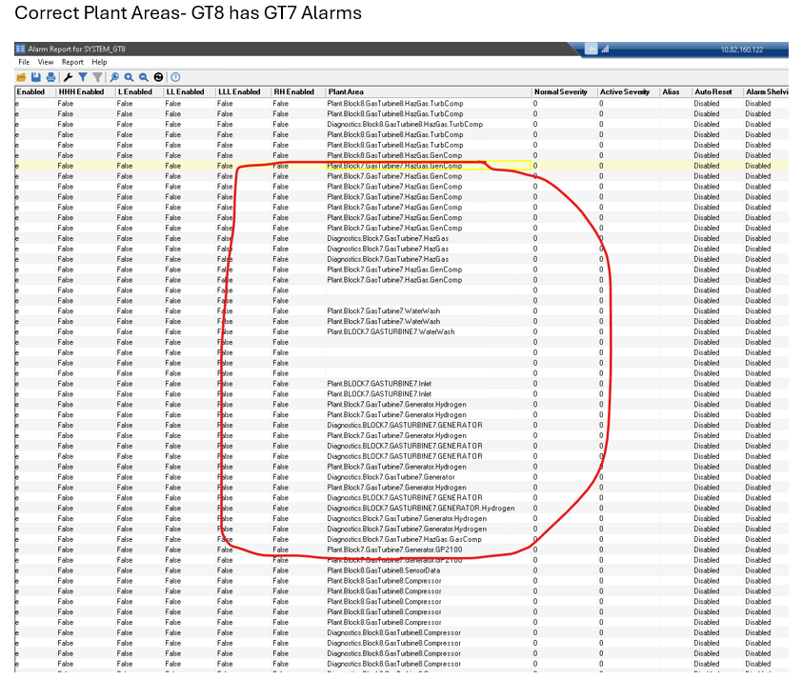
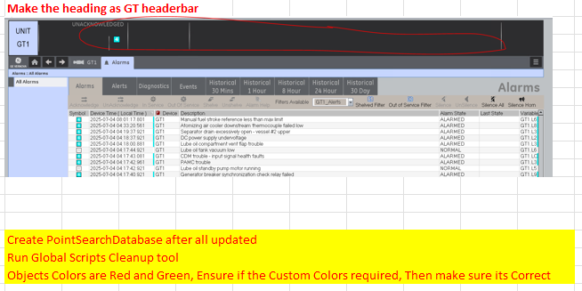
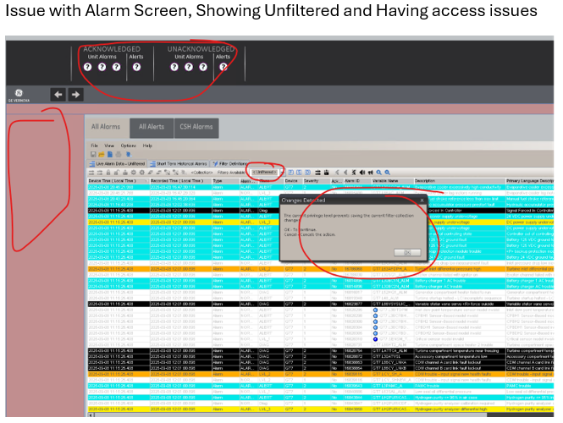
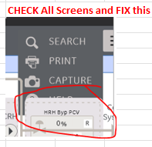
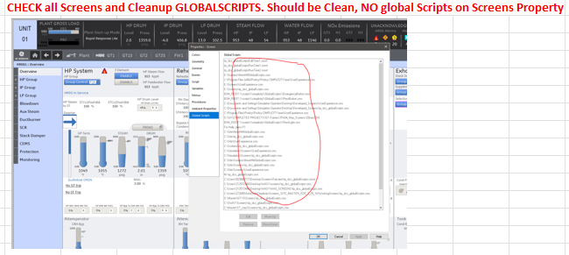
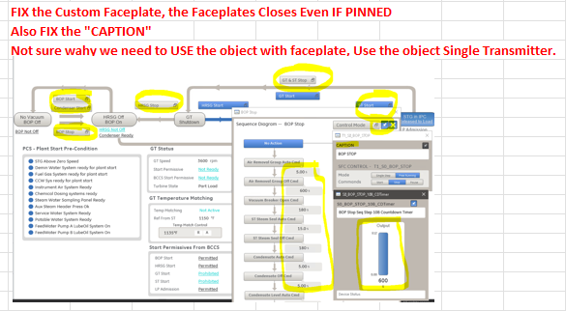
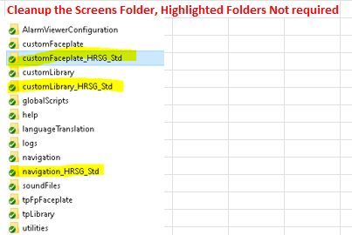
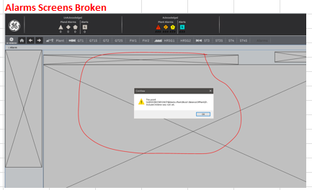
SOME COMMONLY OBSERVED CHARLIE ISSUES AND COMMENTS | ALPHA AND BETA COMMENTS OPEN AND NOT FIXED, HENCE FINIDNG BLACK OBJECTS IN SCREENS DURING CHARLIE REVIEW PHASE

